F. Roof
 |  |  | From NRCC |  |  | user Input |  | Calculated

Roof Insulation
01 |  | 02 | 03 | 04 |  | 05
Tag/Plan Detail ID |  | Assembly/ Framing Type | Cavity Insulation R-Value | Continuous Insulation R-Value |  | Assembly Compliance
Per C of C | Fframed02_RoofAssemblyName FSIPS02_RoofAssemblyName Fspan02_RoofAssemblyName Fmetalp02_RoofAssemblyName Fmetalb02_RoofAssemblyName F.02 Multifamily Framed Roof Assemblies | F01Framed_RoofTypeApplies F01SIPS_RoofTypeApplies F01Span_RoofTypeApplies F01Metal_RoofTypeApplies F01MetalBldg_RoofTypeApplies If F.01 = F.02 Multifamily Framed Roof Assemblies, this = F01Framed_RoofTypeApplies | Fframed11_CavityInsulationNR Fframed11_CavityInsulationOther Fframed11_NotApplicableMessage FSIPS11_CoreInsulation FSIPS11_CoreInsulationOther FSIPS11_NotApplicableMessage Fmetalb10_CavityInsulationNR Fmetalb10_CavityInsulationOther Fmetalb10_NotApplicableMessage F.13 Multifamily Framed Roof Assemblies | Fframed12_ContinuousInsulationNR Fframed12_ContinuousInsulationOther Fframed12_NotApplicableMessage FSIPS12_ContinuousInsulationNR FSIPS12_ContinuousInsulationOther FSIPS12_NotApplicableMessage Fspan11_ContinuousInsulationNR Fspan11_ContinuousInsulationOther Fspan11_NotApplicableMessage Fmetalb11_ContinuousInsulationNR Fmetalb11_ContinuousInsulationOther Fmetalb11_NotApplicableMessage F.14 Multifamily Framed Roof Assemblies |  |  |  |  | NRCC-PRF
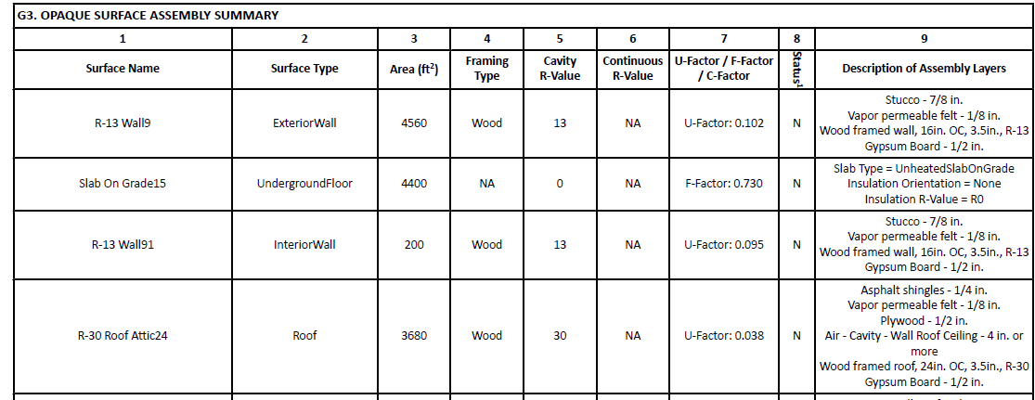
As-built Conditions |  | true/false in UI
1 The compliance tool used to document the Certificate of Compliance does not provide data to the Certificate of Installation. In these scenarios,certificate of installation compliance status will need to be determined manually by the AHJ.

Scroll down for Roof Surface subtable

Roof Surface Material
01 |  | 02 | 03 | 04 |  | 05 | 06
Tag/Plan Detail ID |  | Roof Material | Roof Slope | Material Performance Specifications |  | Cool Roof Rating Council Certification # | Assembly Compliance
Per C of C | G01_RoofAssemblyName PRF SCHEMA TERMS BELOW: CRRC01_RoofAssemblyName | G06_RoofProductType PRF SCHEMA TERM NOT AVAILABLE | G05_RoofSlope PRF SCHEMA TERMS BELOW: CRRC02_RoofSlope | Reflectance1 | G09a_SolarReflectanceAged G09a_NotApplicableMessage PRF SCHEMA TERMS BELOW: CRRC03_SolarReflectanceAged
 |  |  |  | Emittance | G09b_ThermalEmittance G09b_NotApplicableMessage PRF SCHEMA TERMS BELOW: CRRC04_ThermalEmittance
 |  |  |  | SRI | G09c_SolarReflectanceIndex G09c_NotApplicableMessage PRF SCHEMA TERMS BELOW: CRRC05_SolarReflectanceIndex
As-built Conditions |  | dropdown | true/false in UI | Reflectance
 |  |  |  | Emittance
 |  |  |  | SRI
1 3 year aged solar reflectance value found on all compliant roofing product packaging labels per 10-113
2 The compliance tool used to document the Certificate of Compliance does not provide data to the Certificate of Installation. In these scenarios,certificate of installation compliance status will need to be determined manually by the AHJ.

 |  | Material Dropdown
 |  | To Be Determined
 |  | Asphalt Shingle
 |  | Aggregate or Ballast
 |  | Bitumen
 |  | Field-Applied Coating
 |  | Fluid-Applied Membrane
 |  | Metal
 |  | Metal Shake or Shingle
 |  | Paver
 |  | Polymer or Composite
 |  | Single-Ply
 |  | Spray Polyurethane Foam
 |  | Tile or Slate
 |  | Wood
 |  | Metal Building

F. Doors
Exterior Doors |  |  |  |  |  |  | NRCC-PRF
01 |  | 02 | 03 | 04 | 05
Tag/Plan Detail ID |  | Door Type | Door Insulation | U-factor | Compliance
Per C of C | J01_DoorName PRF SCHEMA TERM BELOW: Door01_ConstructionAssemblyNameString | J04_DoorOperation PRF SCHEMA TERM NOT AVAILABLE | J05_DoorConstructionType PRF SCHEMA TERM NOT AVAILABLE | J07_UfactorJA451 PRF SCHEMA TERM BELOW: Door04_Ufactor
As-built Conditions |  | dropdown | dropdown
1 The compliance tool used to document the Certificate of Compliance does not provide data to the Certificate of Installation. In these scenarios,certificate of installation compliance status will need to be determined manually by the AHJ.

 |  | Type Dropdown | Insulation Dropdown
 |  | Swinging | Uninsulated single-layer metal
 |  | Non-swinging | Uninsulated double-layer metal |  |  |  | CBECC-Com inputs:
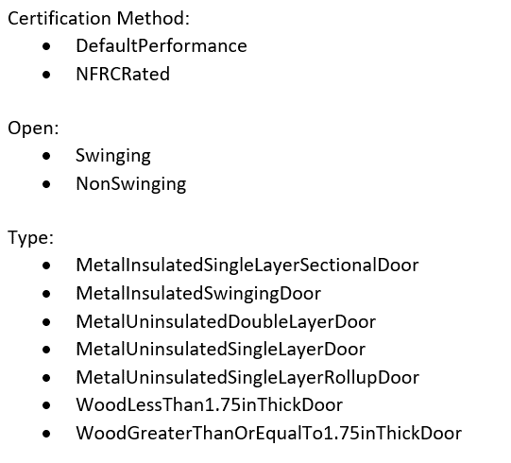
 |  | Multifamily Fire Rated Swinging | Insulated metal swing doors
 |  | MF Dwelling Unit Entry | Wood doors >= 1 3/4"
 |  | MF Common use area entry Non-swinging | Any other wood door
 |  | MF Common use are entry Swinging | Uninsulated single-layer metal roll up door
 |  |  | Insulated single layer metal sectional doors with EPS
 |  |  | NFRC rated

NEW TABLE FOR 2025

Vestibules
01 |  | 02 | 03 | 04 | 05 | 06
Tag/Plan Detail ID |  | Exception to §120.7(e) | Shut Off Controls | Thermostat | Self-Closing Device | Vestibule Compliance
Per C of C | J01_VestibuleName | J02_Exception | J03_Shutoff | J04_Thermostat | J05_VestibuleDevice
As-built Conditions |  | dropdown | dropdown | dropdown

 |  | Exception dropdown | Controls dropdown | Thermostat
 |  | NA: Not used by the public | Configured to shut off heating source when outdoor temp is > 45 deg | Controlled by thermostat located in vestibule configured to limit heating to a temp not ≤ 60 deg and cooling to a temp ≥ than 85 deg
 |  | NA: Directly from sleeping or dwelling unit | NA: Vestibule not heated | NA: Vestibule not heated or cooled
 |  | NA: Directly from space < 3,0000 ft2
 |  | NA: Revolving doors installed
 |  | NA: Used to facilitate vehicular movement or material handling
 |  | NA: Air curtain with velocity ≥ 6.56 ft/sec and tested in accordance with ANSI/AMCA 220
 |  | NA: Building plans submitted before 1/1/2026
 |  | None of these exceptions apply

F. Fenestration
 |  |  | Input from NRCC |  |  | UI/Installer Input |  |  | Calculated
 |  |  |  |  |  |  |  |  |  | NRCC-PRF
Vertical Fenestration, Skylights, and Glazed Doors
01 |  | 02 | 03 | 04 | 05 | 06 |  | 07 | 08
Tag/Plan Detail ID |  | Fenestration Type | Calculation Method | Area (ft²) | Frame Type | Product Performance per Design |  | National Fenestration Rating Council (NFRC) Certification ID #1 | Assembly Compliance
Per C of C | Kvertperf04_FenestrationName Kskyperf04_SkylightName PRF SCHEMA TERM BELOW: Fen01_FenestrationName | Kvertperf05_FenestrationProductType Kskyperf05_FenestrationProductType PRF SCHEMA TERM BELOW: Fen02a_FenestrationType NOTE - THIS CELL CONTAINS THE FENESTRAION TYPE, PRODUCT TYPE AND FRAME TYPE SO WE WILL NEED TO PARSE OUT FENSTRATION TYPE IF POSSIBLE? | Kvertperf09_FenestrationComplianceCalc Kvertperf09_NotApplicableMessage Kskyperf08_FenestrationComplianceCalc Kskyperf08_NotApplicableMessage PRF SCHEMA TERMS BELOW: Fen03_FenestrationCertificationMethod | PRESCRIPTIVE AREA PER ASSEMBLY NOT AVAILABLE PRF SCHEMA TERMS BELOW: | Kvertperf15_FenestrationFramingNR Kvertperf22_FenestrationFramingNR Kskyperf13_FenestrationFramingNR Kskyperf18_FenestrationFramingNR PRF SCHEMA TERMS BELOW: Fen02a_FenestrationType NOTE - THIS CELL CONTAINS THE FENESTRATION TYPE, PRODUCT TYPE AND FRAME TYPE SO WE WILL NEED TO PARSE OUT FRAME TYPE IF POSSIBLE? | U-factor | Kvertperf12a_Ufactor Kvertperf12a_NotApplicableMessage Kvertperf19a_UfactorNA6 Kvertperf19a_NotApplicableMessage Kvertperf25a_Ufactor110Default Kvertperf25a_NotApplicableMessage Kskyperf11a_Ufactor PRF SCHEMA TERM BELOW: Fen06_FenestrationAssemblyUFactor Fen06_UFactorCenterOfGlass
 |  |  |  |  |  | (R)SHGC | Kvertperf12b_SHGC Kvertperf12b_NotApplicableMessage Kvertperf19b_SHGC_NA6 Kvertperf19b_NotApplicableMessage Kvertperf25b_SHGC_110Default Kvertperf25b_NotApplicableMessage Kskyperf11b_SHGC Kskyperf11b_NotApplicableMessage PRF SCHEMA TERM BELOW: Fen07_FenestrationAssemblySHGC Fen07_SHGC_CenterOfGlass
 |  |  |  |  |  | VT | Kvertperf12c_VT Kvertperf12c_NotApplicableMessage Kvertperf19c_VT_NA6 Kvertperf19c_NotApplicableMessage Kvertperf25c_VT_110Default Kvertperf25c_NotApplicableMessage Kskyperf11c_VT Kskyperf11c_NotApplicableMessage PRF SCHEMA TERM BELOW: Fen08_FenestrationAssemblyVT Fen08_VT_CenterOfGlass
As-built Conditions |  | dropdown | dropdown |  |  | U-factor
 |  |  |  |  |  | SHGC
 |  |  |  |  |  | VT
1 FOOTNOTE: Attach delivery receipt, purchase order, detailed receipt, or other product documentation that shows the NFRC Certification ID number for each product showing NFRC as the calculation method in column 03.
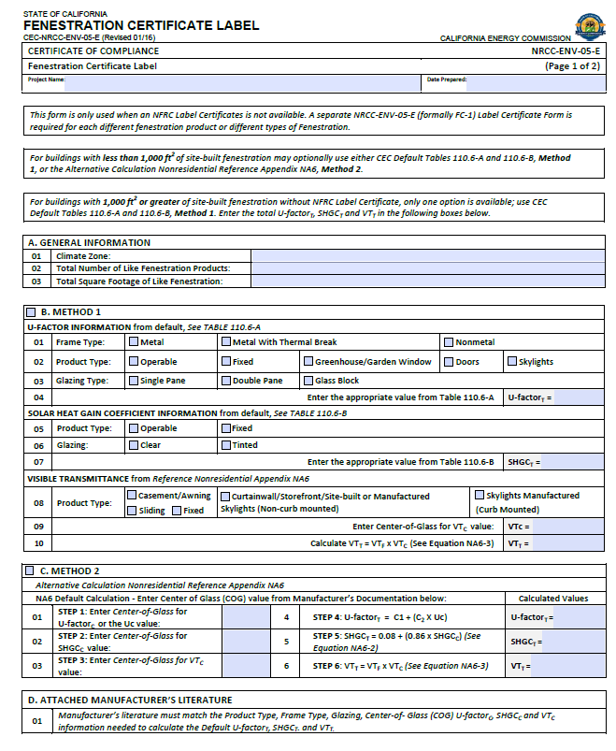
2 The compliance tool used to document the Certificate of Compliance does not provide data to the Certificate of Installation. In these scenarios,certificate of installation compliance status will need to be determined manually by the AHJ.
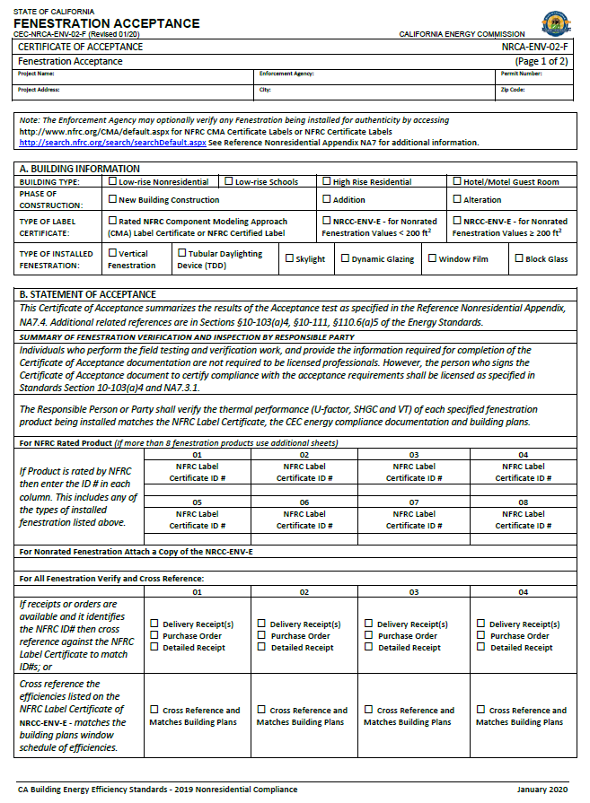
 |  | Type Dropdown | Calc Method Dropdown |  | Frame Type Dropdown
 |  | Fixed Window | NFRC Certified |  | Non-metal
 |  | Operable Window | Energy Code defaults |  | Metal
 |  | Storefront |  |  | Metal w Thermal Break
 |  | Curtain Wall
 |  | Chromogenic Glazing
 |  | Fenestration in Demising Wall
 |  | Glazed Door
 |  | Glass, curb mounted
 |  | Glass, deck mounted
 |  | Plastic, curb mounted
 |  | Tubular Daylight Devices
 |  | Architectural Window- Fixed (Multifamily only)
 |  | Architectural Window- Operable (Multifamily only)
 |  | <= 3ft2 glass in dwelling unit door

